Bushings
SPACERS, BUSHINGS, SLEEVES
 |  |  |  |  |  |  |  |  | Data Validation Information |  |  |  |  |  | QI SHEET INFORMATION |  | QI EXPORT INFORMATION (FIRST NODE VALUE MUST BE AT LINE 15, COL HEADERS ON LINE 14 |  |  | Cost Breakdown |  |  |  |  |  | Quantity Breakdown
 |  | Yes |  |  |  |  |  |  |  |  |  |  |  |  | QI_NUMBER | 100100154 | NODE NAME | CELL ADDRESS | VALUE
 |  |  |  |  |  |  |  |  | Type: | Material: | Yes No | Discount | Delivery Days | Type | QI_FILENAME | 100100154.dat | QI_NUMBER | X2 | 100100154 | Material Cost |  |  |  |  |  | 0 | Qty Error |  |  | 0
 |  |  |  |  |  |  |  |  | - | - | - | 0% | 10 | Bushings | DATECREATED | 2023-03-07 | QI_FILENAME | X3 | 100100154.dat | - | ($10,000.00) |  |  |  | $0.00 | 1 | $39.00 | List from above | 0.6 | 0
 |  |  |  |  |  |  |  |  | Spacer | Steel | No | 5% |  |  | DESC IMPORT LOCATION | 80mm x 20mm x 15mm Aluminum Spacer | SHEETPREFIX | X6 | QI1 | Steel | $20.00 | Standard cost |  |  | $0.00 | 2 | $37.83 | Discounted 3% | 0.97 | 0
 |  |  |  |  |  |  |  |  | Sleeve | Aluminum | Yes | 10% |  |  | SHEETPREFIX | QI1 | DATECREATED | X4 | 2023-03-07 | Aluminum | $35.00 | Standard cost |  |  | $0.00 | 3 | $37.05 | Discounted 5% | 0.95 | 0
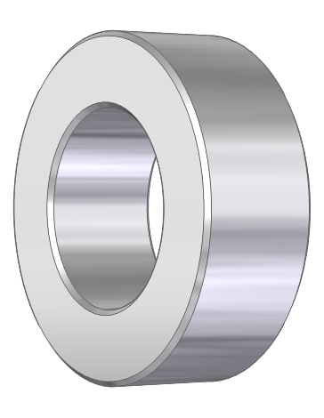 |  |  |  |  |  |  |  |  | Bushing |  |  | 15% |  |  | PRICE EACH IMPORT LOCATION | 114.3 | TYPE | C11 | Bushing | Volume Multipyer | 500.00 | Lenth x Diameter | 0.01 |  | $5.00 | 5 | $35.10 | Discounted 10% | 0.9 | 0
 |  |  |  |  |  |  |  |  |  |  |  | 20% |  |  | DELIERY IMPORT LOCATION | 10 | DRAWINGNUMBER | C9 | 51425 | Time |  |  |  |  |  | 10 | $33.15 | Discounted 15% | 0.85 | 0
 | Drawing#: | 51425 |  |  |  |  | Date: | 2023-09-29 |  |  |  | 25% |  |  |  |  | DESCRIPTION | G22 | 50mm x 76.2mm x 10mm Steel Bushing | Turning Min | $30.00 | Min Charge for parts |  |  | $30.00 | 25 | $31.20 | Discounted 20% | 0.8 | 31.2
 | Reference: | Aggregate |  |  |  |  | Quantity: | 45 |  |  |  | 30% |  |  |  |  | DELIVERY | R4 | 10 | Threaded | $20.00 | Min + $8 each additional |  |  | $0.00 | 50 | $30.42 | Discounted 22% | 0.78 | 0
 | Type: | Bushing |  |  |  |  | Discount: | 40% |  |  |  | 35% |  |  |  |  | QUANTITY | I10 | 45 | Pinholes | $10.00 | Min + $5 each additional |  |  | $0.00 |  |  | Final Price |  | $31.20
 |  |  |  |  |  |  |  |  |  |  |  |  |  |  |  |  | PRICEEACH | G23 | 31.2 | Double Wall | $15.00 |  |  |  | $0.00
 | Dia | Bore | OA Length | Material | Double Wall |  |  |  |  |  |  |  |  |  |  |  | REFERENCE | C10 | Aggregate | Keyway | $30.00 |  |  |  | $0.00
Metric: | 50.00mm |  | 10.00mm | Steel | No |  |  |  |  |  |  |  |  |  |  |  | DISCOUNT | I11 | 0.4 | Surface Ground | $40.00 |  |  |  | $0.00
Imperial: |  | 3.00 |  |  |  |  |  |  |  |  |  |  |  |  |  |  | DIAMETER | B16 | 50.00mm | Type Of Bushing Surcharges
Converted: | 50.00mm | 76.20mm | 10.00mm |  |  |  |  |  |  |  |  |  |  |  |  |  | BORE | C16 | 76.20mm | - | ($10,000.00) |  |  |  | $0.00
 |  |  |  |  |  |  |  |  |  |  |  |  |  |  |  |  | LENGTH | D16 | 10.00mm | Spacer | $20.00 |  |  |  | $0.00
 |  | Qty | Dia / Thread | Bolt Circle |  | Yes No | Width | Depth |  |  |  |  |  |  |  |  | MATERIAL | E14 | Steel | Sleeve | $40.00 |  |  |  | $0.00
 | Threaded Holes: | 0 | 0 | 0 | Keyway: | No | 0 | 0 |  |  |  |  |  |  |  |  | DOUBLE_WALL | F14 | No | Bushing | $30.00 |  |  |  | $30.00
 | Pinholes: | 0 | 0 | 0 |  | ** 2 keyways always cut for Balance |  |  |  |  |  |  |  |  |  |  | THREADEDHOLES_QTY | C19 | 0
 | Suface Ground | No | For Tolerances Tighter Than + or - 0.0008" (0.020mm) |  |  |  |  |  |  |  |  |  |  |  |  |  | THREADEDHOLES_DIAMETER | D19 | 0 |  |  |  |  | List Price | $65.00
 |  |  |  | Desc: | 50mm x 76.2mm x 10mm Steel Bushing |  |  |  |  |  |  |  |  |  |  |  | THREADEDHOLES_BOLTCIRCLE | E19 | 0 |  |  | Multiplyer for Future Increases |  |  | 1
 |  |  |  | NET PRICING |  | $31.20 |  |  |  |  |  |  |  |  |  |  | PINHOLES_QTY | C20 | 0
Cancel - Back to Quote
Add To Quote
 |  |  |  |  |  |  |  |  |  |  |  |  |  |  |  |  | PINHOLES_DIAMETER | D20 | 0
NOTES: | 0 |  |  |  |  |  |  |  |  |  |  |  |  |  |  |  | PINHOLES_BOLTCIRCLE | E20 | 0
 |  |  |  |  |  |  |  |  |  |  |  |  |  |  |  |  | SURFACE_GROUND | C21 | No
 |  |  |  |  |  |  |  |  |  |  |  |  |  |  |  |  | KEYWAY_YES_NO | G19 | No
 |  |  |  |  |  |  |  |  |  |  |  |  |  |  |  |  | KEYWAY_WIDTH | H19 | 0
 |  |  |  |  |  |  |  |  |  |  |  |  |  |  |  |  | KEYWAY_DEPTH | I19 | 0
 |  |  |  |  |  |  |  |  |  |  |  |  |  |  |  |  | NOTES | B25 | 0

T-bushings
T-Bushings
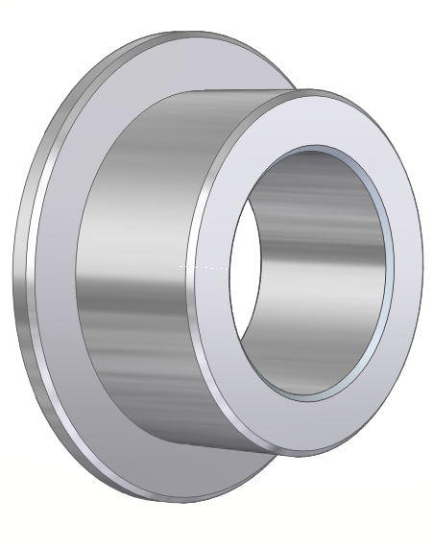
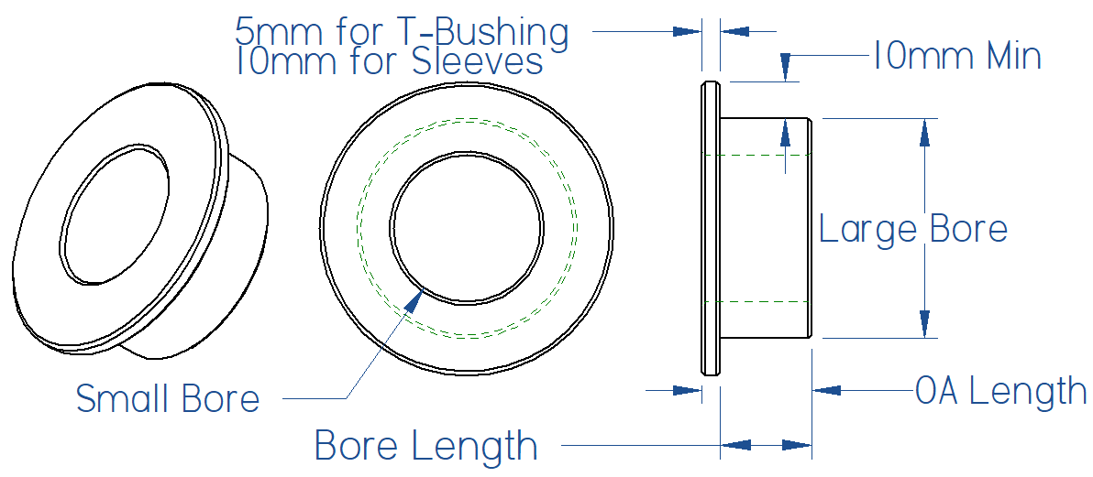
 |  |  |  |  |  |  |  |  | Data Validation Information |  |  |  |  |  | QI SHEET INFORMATION |  | QI EXPORT INFORMATION (FIRST NODE VALUE MUST BE AT LINE 15, COL HEADERS ON LINE 14 |  |  |  |  |  | Cost Breakdown |  |  |  |  |  | Quantity Breakdown
 |  |  |  |  |  |  |  |  |  |  |  |  |  |  | QI_NUMBER |  | NODE NAME | SHEET LOCATION | CELL ADDRESS | VALUE | IMPORT SHEET LOCATION | IMPORT CELL ADDRESS
 |  |  |  |  |  |  |  |  |  | Material: | Yes No | Discount | Delivery Days | Type | QI_FILENAME |  | QI_NUMBER | QI2_Data | BB2 | 100100149 | QI2_Data | BB2 | Material Cost |  |  |  |  |  | 0 | Qty Error |  |  | 0
 |  |  |  |  |  |  |  |  |  | - | - | 0% | 10 | T-Bushings | DATECREATED | 2023-03-07 | QI_FILENAME | QI2_Data | BB3 | 100100149.dat | QI2_Data | BB3 | - | $(10,000.00) |  |  |  | $20.00 | 1 | $102.50 | List from above | 0.75 | 0
 |  |  |  |  |  |  |  |  |  | Steel | Yes | 5% |  |  | DESC IMPORT LOCATION | 65mm/45mmD X 25.4mmB X 35mmL Aluminum T-Bushing | SHEETPREFIX | QI2_Data | BB6 | QI2 | QI2_Data | BB6 | Steel | $20.00 | Standard cost |  |  | $0.00 | 2 | $99.43 | Discounted 3% | 0.97 | 0
 |  |  |  |  |  |  |  |  |  | Aluminum | No | 10% |  |  | SHEETPREFIX | QI2 | DATECREATED | QI2_Data | BB4 | 2023-03-07 | QI2_Data | BB4 | Aluminum | $35.00 | Standard cost |  |  | $0.00 | 3 | $97.38 | Discounted 5% | 0.95 | 0
 |  |  |  |  |  |  |  |  |  |  |  | 15% |  |  | PRICE EACH IMPORT LOCATION | 110.475 | TYPE | QI2_Data | F4 | T-Bushings | QI2_Data | BB8 | Volume Multipyer | 2667.00 | Lenth x Diameter | 0.01 |  | $26.67 | 5 | $92.25 | Discounted 10% | 0.9 | 0
 |  |  |  |  |  |  |  |  |  |  |  | 20% |  |  | TYPE IMPORT LOCATION | T-Bushings | DRAWINGNUMBER | QI2_Inputs | C9 | 123456 | QI2_Inputs | C9 | Time |  |  |  |  |  | 10 | $0.00 | Discounted 15% | 0.85 | 0
 | Drawing#: | 1212 |  |  |  |  | Date: | 2023-09-29 |  |  |  | 25% |  |  | DELIVERY IMPORT LOCATION | 10 | DESCRIPTION | QI2_Inputs | E22 | 76.2mm/101.6mmD X 25.4mmB X 35mmL Steel T-Bushing | QI2_Data | BB5 | Turning Min | $30.00 | Min Charge for parts |  |  | $30.00 | 25 | $82.00 | Discounted 20% | 0.8 | 0
 | Reference: |  |  |  |  |  | Quantity: | 50 |  |  |  | 30% |  |  |  |  | DELIVERY | QI2_Data | E4 | 10 | QI2_Data | BB9 | Threaded | $15.00 | Min + $5 each additional |  |  | $15.00 | 50 | $79.95 | Discounted 22% | 0.78 | 79.95195
 |  |  |  |  |  |  | Discount: | 25% |  |  |  | 35% |  |  |  |  | QUANTITY | QI2_Inputs | I10 | 50 | QI2_Inputs | I10 | Pinholes | $10.00 | Min + $5 each additional |  |  | $15.00 |  |  | Final Price |  | $79.95
 |  |  |  |  |  |  |  |  |  |  |  |  |  |  |  |  | PRICEEACH | QI2_Inputs | G23 | $79.95 | QI2_Data | BB7 | Keyway | $30.00 |  |  |  | $30.00
 | Large Bore | Small Bore | OA Length | Bore Length | Material | Threaded Nut |  |  |  |  |  |  |  |  |  |  | REFERENCE | QI2_Inputs | C10 |  | QI2_Inputs | C10 | Threaded Nut | $40.00 |  |  |  | $0.00
Metric: |  |  | 35.00mm | 25.40mm | Steel | No |  |  |  |  |  |  |  |  |  |  | DISCOUNT | QI2_Inputs | I11 | 25% | QI2_Inputs | I11 | Surface Ground | $40.00 |  |  |  | $0.00
Imperial: | 3.0000 | 4.00 |  |  |  |  |  |  |  |  |  |  |  |  |  |  | LARGEDIAMETER | QI2_Inputs | B16 | 76.20mm | QI2_Inputs | B14 | Type Of Bushing Surcharges
Converted: | 76.20mm | 101.60mm | 35.00mm | 25.40mm |  |  |  |  |  |  |  |  |  |  |  |  | SMALLDIAMETER | QI2_Inputs | C16 | 101.60mm | QI2_Inputs | C14 | T-Bushing | $40.00 |  |  |  | $0.00
 |  |  |  |  |  |  |  |  |  |  |  |  |  |  |  |  | BORE | QI2_Inputs | E16 | Error | QI2_Inputs | E14
 |  | Qty | Dia / Thread | Bolt Circle |  | Yes No | Width | Depth |  |  |  |  |  |  |  |  | LENGTH | QI2_Inputs | D16 | 35.00mm | QI2_Inputs | D14 |  |  |  |  | List Price | $136.67
 | Threaded Holes: | 1 |  |  | Keyway: | Yes | 1 | 1 |  |  |  |  |  |  |  |  | MATERIAL | QI2_Inputs | F14 | 25.40mm | QI2_Inputs | F14 |  |  | Multiplyer for Future Increases |  |  | 1
 | Pinholes: | 1 |  |  |  | ** 2 keyways always cut for Balance |  |  |  |  |  |  |  |  |  |  | THREADEDNUT | QI2_Inputs | G14 | No | QI2_Inputs | G14
 | Suface Ground | No | For Tolerances Tighter Than + or - 0.0008" (0.020mm) |  |  |  |  |  |  |  |  |  |  |  |  |  | THREADEDHOLES_QTY | QI2_Inputs | C19 | 1 | QI2_Inputs | C19
Save as PDF
 |  |  |  | 76.2mm/101.6mmD X 25.4mmB X 35mmL Steel T-Bushing |  |  |  |  |  |  |  |  |  |  |  |  | THREADEDHOLES_DIAMETER | QI2_Inputs | D19 | 0 | QI2_Inputs | D19
Cancel - Back to Quote
Add To Quote
 |  |  |  | NET PRICING |  | $79.95 |  |  |  |  |  |  |  |  |  |  | THREADEDHOLES_BOLTCIRCLE | QI2_Inputs | E19 | 0 | QI2_Inputs | E19
 |  |  |  |  |  |  |  |  |  |  |  |  |  |  |  |  | PINHOLES_QTY | QI2_Inputs | C20 | 1 | QI2_Inputs | C20
NOTES: |  |  |  |  |  |  |  |  |  |  |  |  |  |  |  |  | PINHOLES_DIAMETER | QI2_Inputs | D20 | 0 | QI2_Inputs | D20
 |  |  |  |  |  |  |  |  |  |  |  |  |  |  |  |  | PINHOLES_BOLTCIRCLE | QI2_Inputs | E20 | 0 | QI2_Inputs | E20
 |  |  |  |  |  |  |  |  |  |  |  |  |  |  |  |  | SURFACE_GROUND | QI2_Inputs | C21 | No | QI2_Inputs | C21
 |  |  |  |  |  |  |  |  |  |  |  |  |  |  |  |  | KEYWAY_YES_NO | QI2_Inputs | G19 | Yes | QI2_Inputs | G19
 |  |  |  |  |  |  |  |  |  |  |  |  |  |  |  |  | KEYWAY_WIDTH | QI2_Inputs | H19 | 1 | QI2_Inputs | H19
 |  |  |  |  |  |  |  |  |  |  |  |  |  |  |  |  | KEYWAY_DEPTH | QI2_Inputs | I19 | 1 | QI2_Inputs | I19
 |  |  |  |  |  |  |  |  |  |  |  |  |  |  |  |  | NOTES | QI2_Inputs | B25 | 0 | QI2_Inputs | B25

